Increment of 5
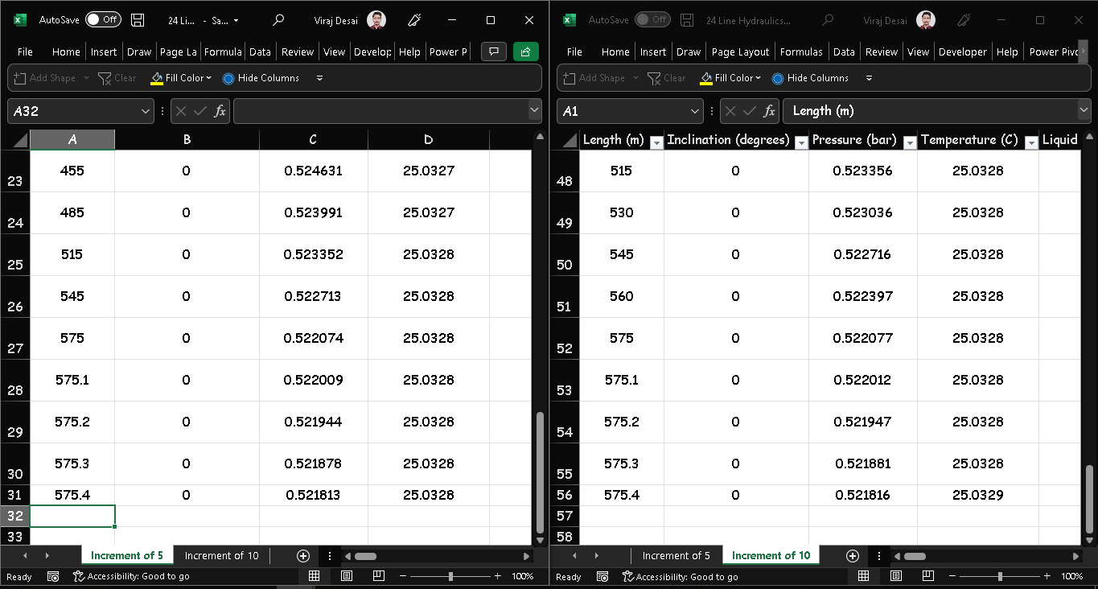
Length (m) | Inclination (degrees) | Pressure (bar) | Temperature (C) | Liquid Velocity (m/s) | Vapor Velocity (m/s) | Heat (kW) | Liquid Holdup | Flow Regime | Overall HTC (W/[m2.K]) | h (Internal) (W/[m2.K]) | k/L (Wall) (W/[m2.K]) | k/L (Insulation) (W/[m2.K]) | h (External) (W/[m2.K]) | External Temperature (C)
0 | 0 | 2 | 25 | 0.122113 | 0 | 0 | 1 | Liquid Only | 0 | 0 | 0 | 0 | 0 | 25
40 | 0 | 1.99915 | 25 | 0.122113 | 0 | 0 | 1 | Liquid Only | 0 | 0 | 0 | 0 | 0 | 25
80 | 0 | 1.9983 | 25 | 0.122113 | 0 | 0 | 1 | Liquid Only | 0 | 0 | 0 | 0 | 0 | 25
120 | 0 | 1.99744 | 25.0001 | 0.122113 | 0 | 0 | 1 | Liquid Only | 0 | 0 | 0 | 0 | 0 | 25
160 | 0 | 1.99659 | 25.0001 | 0.122113 | 0 | 0 | 1 | Liquid Only | 0 | 0 | 0 | 0 | 0 | 25
200 | 90 | 1.99574 | 25.0001 | 0.122113 | 0 | 0 | 1 | Liquid Only | 0 | 0 | 0 | 0 | 0 | 25
201 | 90 | 1.898 | 25.0023 | 0.122114 | 0 | 0 | 1 | Liquid Only | 0 | 0 | 0 | 0 | 0 | 25
202 | 90 | 1.80027 | 25.0044 | 0.122114 | 0 | 0 | 1 | Liquid Only | 0 | 0 | 0 | 0 | 0 | 25
203 | 90 | 1.70253 | 25.0066 | 0.122115 | 0 | 0 | 1 | Liquid Only | 0 | 0 | 0 | 0 | 0 | 25
204 | 90 | 1.6048 | 25.0088 | 0.122116 | 0 | 0 | 1 | Liquid Only | 0 | 0 | 0 | 0 | 0 | 25
205 | 0 | 1.50706 | 25.0109 | 0.122116 | 0 | 0 | 1 | Liquid Only | 0 | 0 | 0 | 0 | 0 | 25
229 | 0 | 1.50655 | 25.011 | 0.122116 | 0 | 0 | 1 | Liquid Only | 0 | 0 | 0 | 0 | 0 | 25
253 | 0 | 1.50604 | 25.011 | 0.122116 | 0 | 0 | 1 | Liquid Only | 0 | 0 | 0 | 0 | 0 | 25
277 | 0 | 1.50553 | 25.011 | 0.122116 | 0 | 0 | 1 | Liquid Only | 0 | 0 | 0 | 0 | 0 | 25
301 | 0 | 1.50502 | 25.011 | 0.122116 | 0 | 0 | 1 | Liquid Only | 0 | 0 | 0 | 0 | 0 | 25
325 | 5.73917 | 1.50451 | 25.011 | 0.122116 | 0 | 0 | 1 | Liquid Only | 0 | 0 | 0 | 0 | 0 | 25
345 | 5.73917 | 1.30866 | 25.0153 | 0.122118 | 0 | 0 | 1 | Liquid Only | 0 | 0 | 0 | 0 | 0 | 25
365 | 5.73917 | 1.11281 | 25.0197 | 0.122119 | 0 | 0 | 1 | Liquid Only | 0 | 0 | 0 | 0 | 0 | 25
385 | 5.73917 | 0.916958 | 25.024 | 0.12212 | 0 | 0 | 1 | Liquid Only | 0 | 0 | 0 | 0 | 0 | 25
405 | 5.73917 | 0.721113 | 25.0284 | 0.122121 | 0 | 0 | 1 | Liquid Only | 0 | 0 | 0 | 0 | 0 | 25
425 | 0 | 0.52527 | 25.0327 | 0.122122 | 0 | 0 | 1 | Liquid Only | 0 | 0 | 0 | 0 | 0 | 25
455 | 0 | 0.524631 | 25.0327 | 0.122122 | 0 | 0 | 1 | Liquid Only | 0 | 0 | 0 | 0 | 0 | 25
485 | 0 | 0.523991 | 25.0327 | 0.122122 | 0 | 0 | 1 | Liquid Only | 0 | 0 | 0 | 0 | 0 | 25
515 | 0 | 0.523352 | 25.0328 | 0.122122 | 0 | 0 | 1 | Liquid Only | 0 | 0 | 0 | 0 | 0 | 25
545 | 0 | 0.522713 | 25.0328 | 0.122122 | 0 | 0 | 1 | Liquid Only | 0 | 0 | 0 | 0 | 0 | 25
575 | 0 | 0.522074 | 25.0328 | 0.122122 | 0 | 0 | 1 | Liquid Only
575.1 | 0 | 0.522009 | 25.0328 | 0.122122 | 0 | 0 | 1 | Liquid Only
575.2 | 0 | 0.521944 | 25.0328 | 0.122122 | 0 | 0 | 1 | Liquid Only
575.3 | 0 | 0.521878 | 25.0328 | 0.122122 | 0 | 0 | 1 | Liquid Only
575.4 | 0 | 0.521813 | 25.0328 | 0.122122 | 0 | 0 | 1 | -

